Script
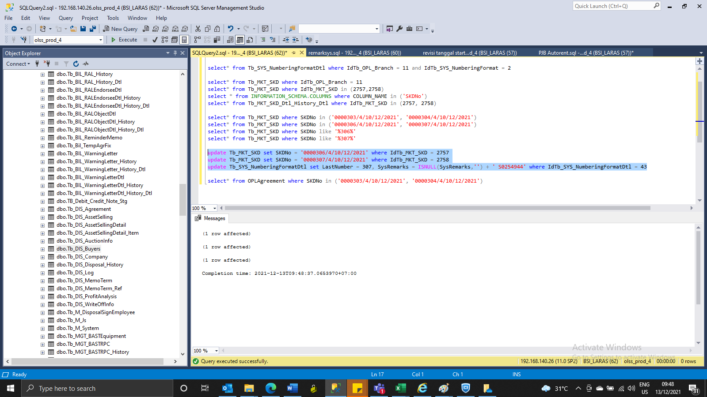

update Tb_MKT_SKD set SKDNo = '0000306/4/10/12/2021' where IdTb_MKT_SKD = 2757
update Tb_MKT_SKD set SKDNo = '0000307/4/10/12/2021' where IdTb_MKT_SKD = 2758
update Tb_SYS_NumberingFormatDtl set LastNumber = 307, SysRemarks = ISNULL(SysRemarks,'') + ' S0254944' where IdTb_SYS_NumberingFormatDtl = 43

Screenshoot
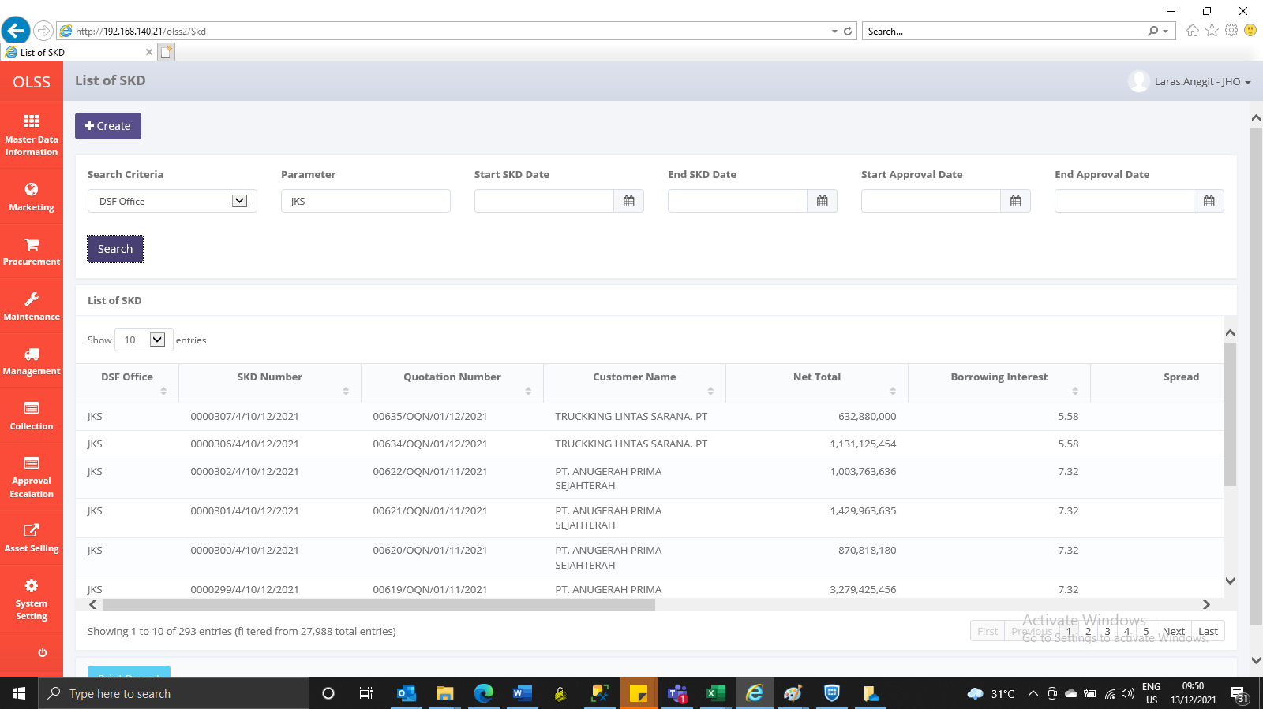
BEFORE


AFTER

